Screenshots for Ref
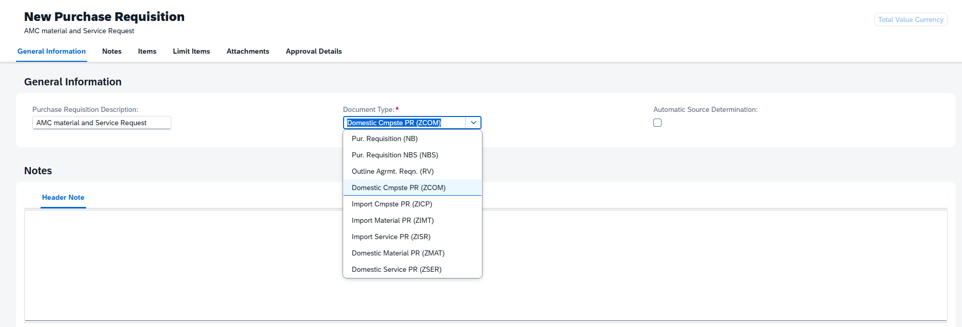

1. General information & Notes

2. Items


3. General Information & Quantity and Date



4. Valuation, Account Assignment & Source of Supply


5. Contact information & Delivery Address



6. Notes & Attachments

7. Limit Items

